empty weight estimation table
 | metric | imperial
We/Wo=A(Wo)^c Kvs | #DIV/0! | #DIV/0!
 | A [imperial] | A[metric] | C | We/Wo
unpowered sailplaine | 0.86 | 0.83 | -0.05
powered sailplane | 0.91 | 0.88 | -0.05
homebuilt metal/wood | 1.19 | 1.11 | -0.09
homebuilt composite | 1.15 | 1.07 | -0.09
General Aviation- single engine | 2.36 | 2.05 | -0.18
General Aviation- twin engine | 1.51 | 1.4 | -0.1
Agricultural Aircraft | 0.74 | 0.72 | -0.03
Twin turboprop | 0.96 | 0.92 | -0.05
Flying Boat | 1.09 | 1.05 | -0.05
Jet trainer | 1.59 | 1.47 | -0.1
Jet fighter | 2.34 | 2.11 | -0.13
Military cargo/bomber | 0.93 | 0.88 | -0.07
Jet transport | 1.02 | 0.97 | -0.06
UAV- Tac Recce & UCAV | 1.67 | 1.47 | -0.16
UAV high altitude | 2.75 | 2.39 | -0.18
UAV small | 0.97 | 0.93 | -0.06
Wo | 0
Kvs= variable sween constant
if variable sweep | 1.04
fixed sweep | 1
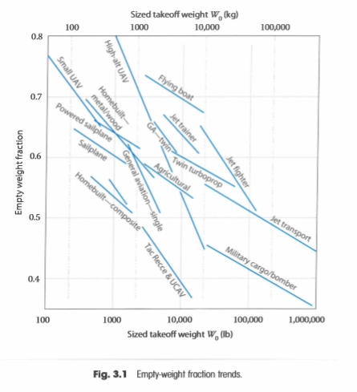

Fuel fraction estimation
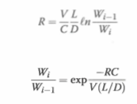
 | mission segment | (Wi/Wi-1)
 | Warmup and takeoff | 0.97
 | Climb | 0.985
 | Landing | 0.995
 | exp(-RC)/V(L/D)

 | R=range
 | C=specific fuel consumption
 | V=velocity
 | L/D=Lift-to-drag ratio

 | np
 | T
 | V
 |  |  |  | 1 hour average
 | Awetted | #DIV/0! | SFC | Cruise imperial | Cruise metric | Loiter imperial | Loiter metric
 | Awetted | #DIV/0! | Pure turbojet | 0.9 | 25.5 | 0.8 | 22.7
 | b^2 |  | Low-bypasss turbofan | 0.8 | 22.7 | 0.7 | 19.8
 | S wetted |  | High-bypass turbofan | 0.5 | 14.1 | 0.4 | 11.3
 | A
 | S wet |  | PropellerC=Cpower V/np=Cbhp
 | S ref |  | piston prop (fixed pitch) | 0.4 | 0.068 | 0.5 | 0.085
 |  |  | Piston prop (variable pitch) | 0.4 | 0.068 | 0.5 | 0.085
 | L/Dmax | 0 | turboprop | 0.5 | 0.085 | 0.6 | 0.101
 | L/Dmax | #DIV/0!
 | Kld |  |  | Conventional | Delta wing |  |  |  | Kld
 | Awetted |  | Sref | 393 | 1000 |  |  | civil jets | 15.5
 |  |  | S wetted | 2441 | 2156 |  |  | military jets | 14
 |  |  | Span | 55 | 55 |  |  | retractable prop aircraft | 11
 | efficiency of aircraft |  | Swet/Sref | 6.2 | 2.2 |  |  | non retractable prop aircraft | 9
 | cruise | loiter | Aspect ratio | 7.7 | 3 |  |  | high-aspect-ratio aircraft | 13
jet | 0 | 0 | wetted aspect ratio | 1.2 | 1.4 |  |  | sailplanes | 15
Prop | 0 | 0 | L/Dmax | 15 | 16
 |  |  | Internal volume | 2100 | 2100
Wf/W0 | #DIV/0!
wx
w0

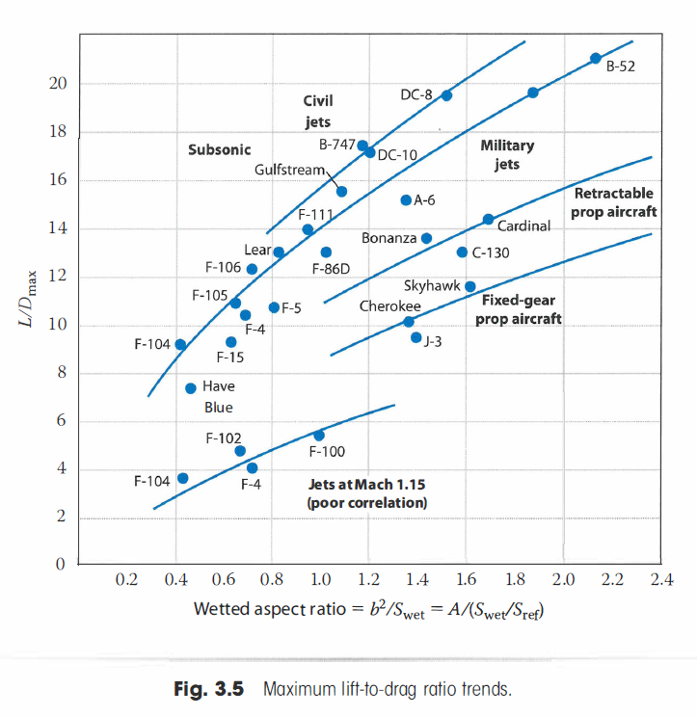

lift coeffs
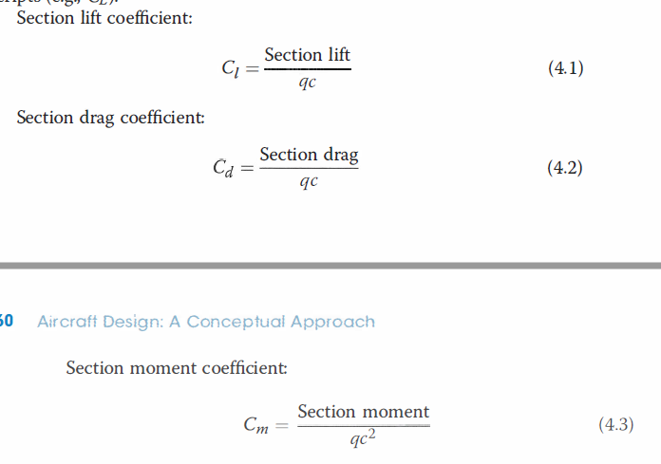
 | section lift coefficient
 | Cl | #DIV/0!
 | section lift
 | q
 | c
 | alpha

 | section drag coefficient
 | Cd | #DIV/0!
 | section drag

 | section moment coefficient
 | Cm | #DIV/0!
 | section moment

 | L/D

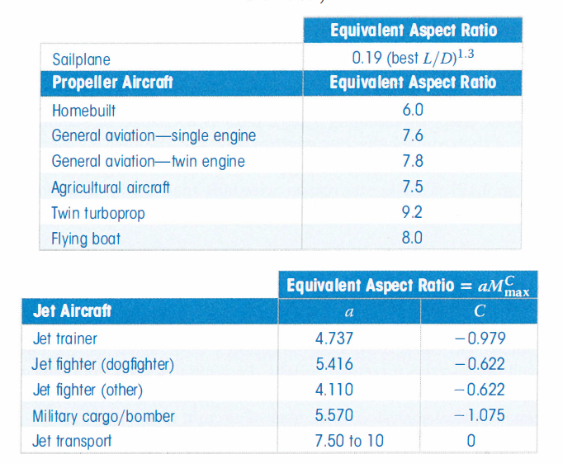

 |  | equivalent aspect ratio
sailplane |  | 0
propellor aircraft |  | equivalent aspect ratio
homebuilt |  | 6.0
General aviation single engine |  | 7.6
General aviation twin engine |  | 7.8
Agricultural aircraft |  | 7.5
twin turboprop |  | 9.2
Flying boat |  | 8.0

 |  | Equivalent Aspect Ratio= aMcmax
Jet aircraft |  | a C
jet trainer |  | 4.737 |  | -0.979
Jet fighter (dogfighter) |  | 5.416 |  | -0.622
Jet fighter (other) |  | 4.11 |  | -0.622
Military cargo/bomber |  | 5.57 |  | -1.075
Jet transport |  | 7.50 to 10 |  | 0

Aircraft Type |  | Typical Installed T/W
jet trainer |  | 0.4
Jet fighter (dogfighter) |  | 0.9
Jet fighter (other) |  | 0.6
Military cargo/Bomber |  | 0.25
Jet transport (higher value for fewer engines) |  | 0.25-4

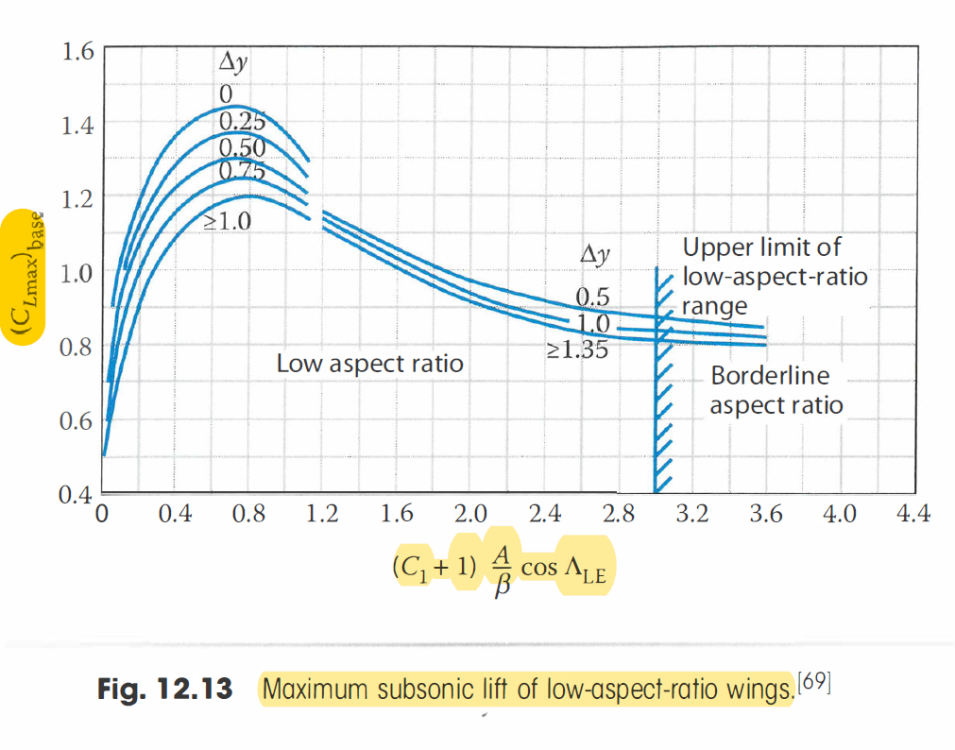

Aircraft Type |  | Typical P/W |  | Typical Power Loading (Ib/hp)
 |  | hp/Ib | (watt/g)
Powered sailplane |  | 0.04 | 0.07 | 25
Homebuilt |  | 0.08 | 0.13 | 12
General aviation- single engine |  | 0.07 | 0.12 | 14
General aviation- main engine |  | 0.17 | 0.30 | 6
Agricultural |  | 0.09 | 0.15 | 11
Twin Turboprop |  | 0.20 | 0.33 | 5
Flying boat |  | 0.10 | 0.16 | 10

T/W0=alphaMcmax |  | a | C
Jet fighter |  | 0.488 | 0.728
Jet fighter (dogfighter) |  | 0.648 | 0.594
Jet fighter (other) |  | 0.514 | 0.141
Military cargo/bomber |  | 0.244 | 0.341
Jet transport |  | 0.267 | 0.363

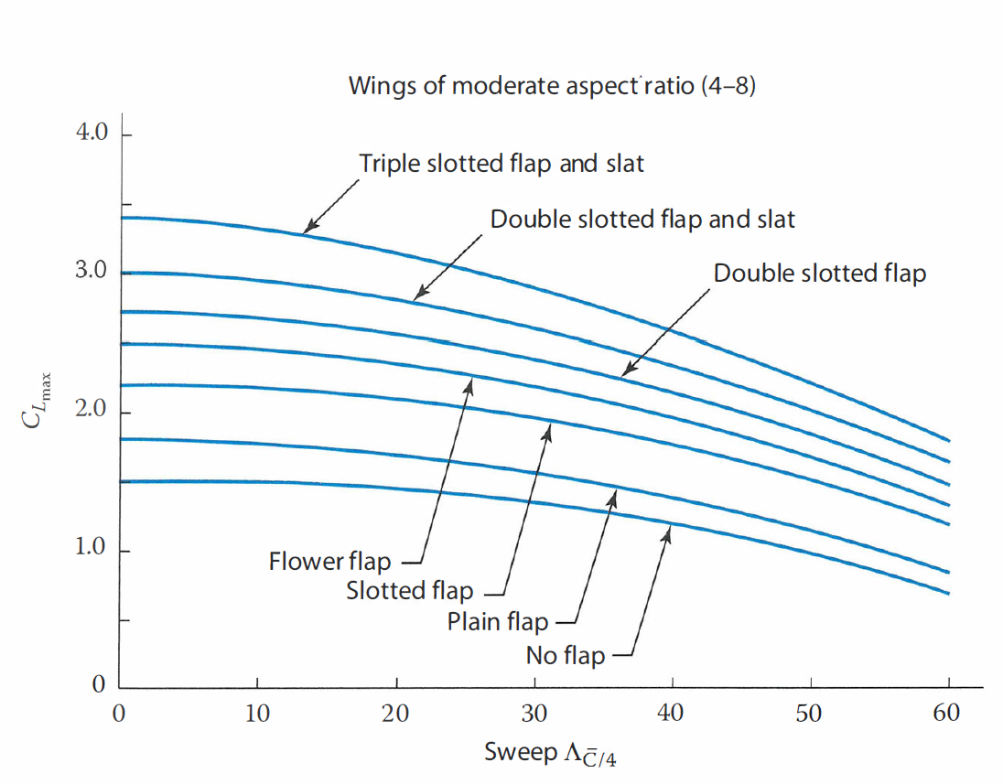
T/W0=aMcmax |  | a (imperial) | a (metric) | C
Sailplane-powered |  | 0.043 | 0.071 | 0
Homebuilt-metal/wood |  | 0.005 | 0.006 | 0.57
Homebuilt-composite |  | 0.004 | 0.005 | 0.57
General aviation-single engine |  | 0.025 | 0.036 | 0.22
General aviation-twin engine |  | 0.036 | 0.048 | 0.32
Agricultural aircraft |  | 0.009 | 0.010 | 0.50
Twin turboprop |  | 0.013 | 0.016 | 0.50
Flying boat |  | 0.030 | 0.043 | 0.23
Typical Takeoff W/S
Historical Trends |  | Ib/ft^2 | (kg/m^2)
Sailplane |  | 6 | 30
Homebuilt |  | 11 | 54
General aviation-single engine |  | 17 | 83
General aviation-twin engine |  | 26 | 127
Twin turboprop |  | 40 | 195
Jet trainer |  | 50 | 244
Jet fighter |  | 70 | 342
Jet transport/bomber |  | 120 | 586

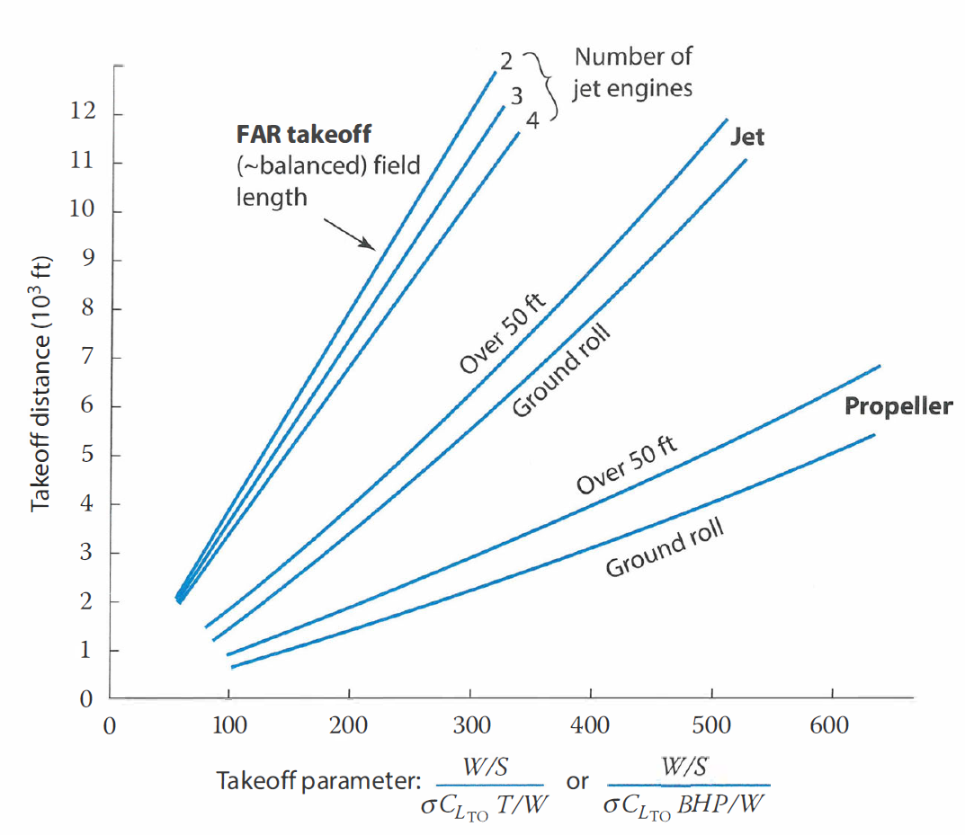

catapult
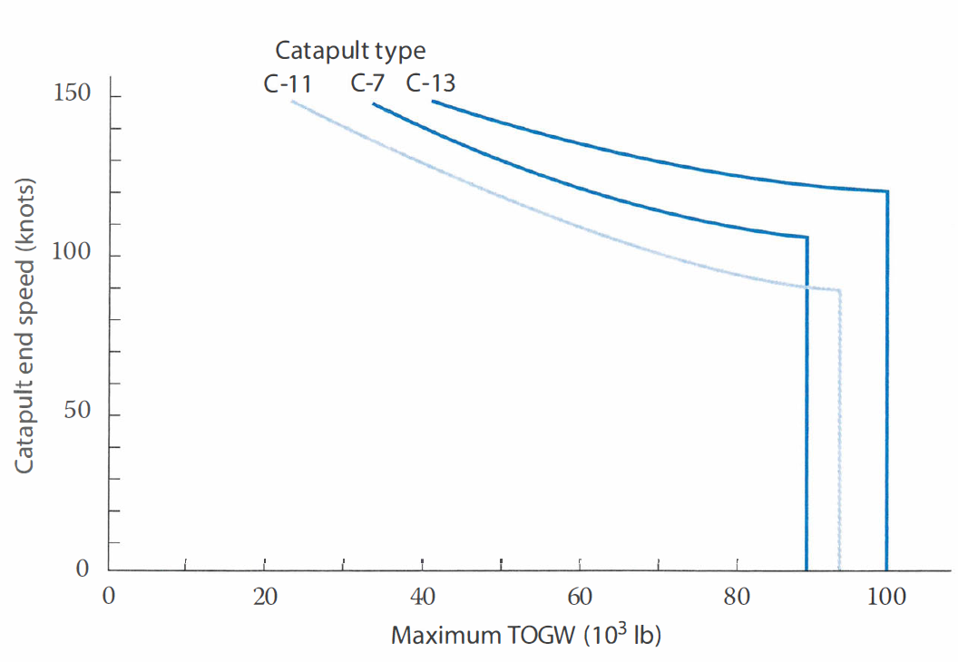
Airspeed | 0
Vend
Vwod
Vthrust
(W/S)takeoff | #REF!
 | slug/ft^3 | kg/m^3
density | 0.00219 | 1.13
Clmax takeoff

density ratio
 | sea level standard day | hot day at 5000ft

sigma | 1 | 0.794

Fuselage Length
length = aW0^C | a imperial | a metric | C
sailplane- unpowered | 0.86 | 0.383 | 0.48
sailplane- powered | 0.71 | 0.316 | 0.48
Homebuilt- metal/Wood | 3.68 | 1.35 | 0.23
Homebuilt- composite | 3.50 | 1.28 | 0.23
General aviation- single engine | 4.37 | 1.60 | 0.23
General aviation- twin engine | 0.86 | 0.366 | 0.42
Agricultural aircraft | 4.04 | 1.48 | 0.23
Twin turboprop | 0.37 | 0.169 | 0.51
Flying boat | 1.05 | 0.439 | 0.40
Jet trainer | 0.79 | 0.333 | 0.41
Jet fighter | 0.93 | 0.389 | 0.39
Military cargo/bomber | 0.23 | 0.104 | 0.5
Jet transport | 0.67 | 0.287 | 0.43
Length | 0
 | tail volume coefficient
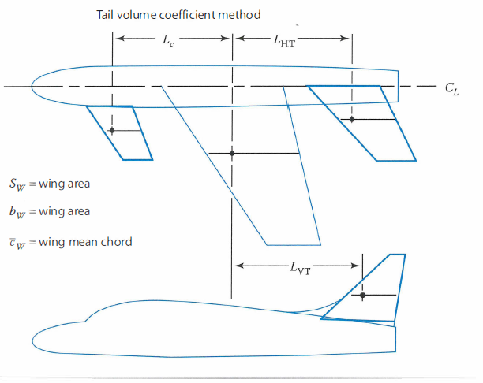
 | SVT | #DIV/0!
 | SHT | #DIV/0!
 | bw
 | Sw
 | Lvt
 | Lht
 | Cw
 | CHT
 | CVT

Tail Volume Coefficient
 | Typical values
 | CHT | CVT
sailplane | 0.50 | 0.02 |  | ANYTHING FURTHER THAN THIS SHEET (in terms of raymer) GOES INTO THE DETAILING OF IT ALL, AT THAT POINT THE FIXED WING WOULD'VE BEEN SELECTED AND THE EARLY CALCULATIONS ARE DONE AND OUT OF THE WAY
Homebuilt | 0.50 | 0.04
General aviation- single engine | 0.70 | 0.04
General aviation- twin engine | 0.80 | 0.07
Agricultural | 0.50 | 0.04
Twin turboprop | 0.90 | 0.08
Flying boat | 0.70 | 0.06
Jet trainer | 0.70 | 0.06
Jet fighter | 0.40 | 0.07-0.12
Military cargo/bomber | 1.0 | 0.08
Jet transport | 1.0 | 0.09

control surface sizing
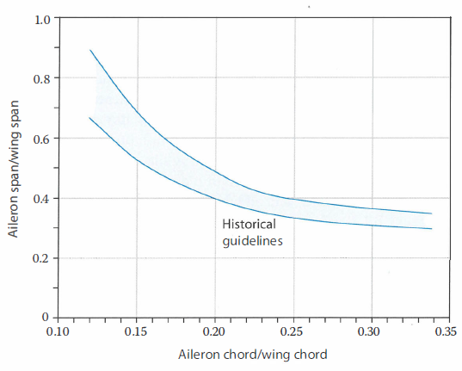

Aircraft | Elevator Ce/C | Rudder Cr/C
Fighter/attack | 0.30 | 0.30
Jet transport | 0.25 | 0.32
Jet trainer | 0.35 | 0.35
Biz jet | 0.32 | 0.30
GA single | 0.45 | 0.4
GA twin | 0.36 | 0.46
sailplane | 0.43 | 0.40

Heavy lift UAV initial sizing
Overall weight distribution

We/W0 | 0.45725459725
W0 | 2.75
Wpl | 1.1
wb/w0 | 95.892500285
Motor
Kv | #DIV/0!
Wm
Pm max | 0
Battery
Qb | 0
wb
Amax | #DIV/0!
Crate | #DIV/0!
not used as pl and fix is sorted, re arrange to get empty and battery weight tbh (w0 is given)
Wpl + W fix | 1.1

